Input
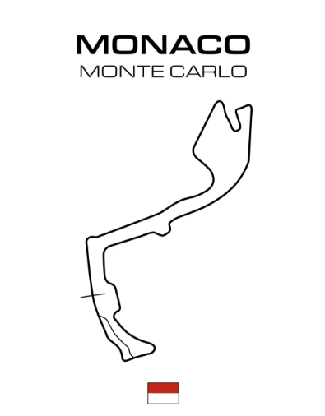
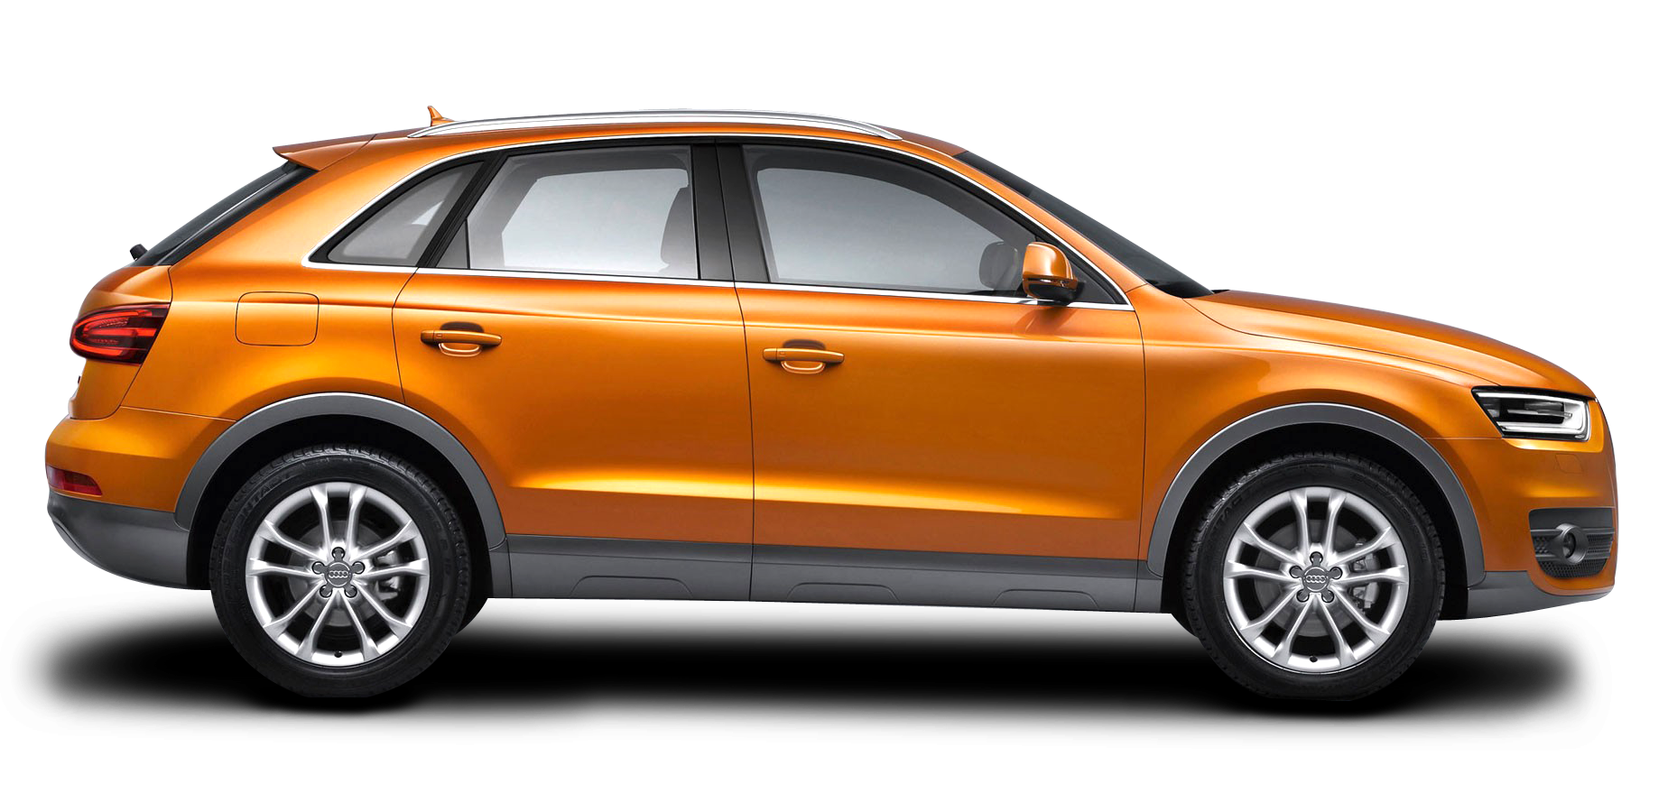


Doughnut Chart Bands
Bands | Value
Red | 20 | 10.0%
Orange | 30 | 15.0%
Yellow | 30 | 15.0%
Green | 20 | 10.0%

Omitted | 100 | 50.0%
Total | 200 |  | 32619450
 |  |  | 32619450
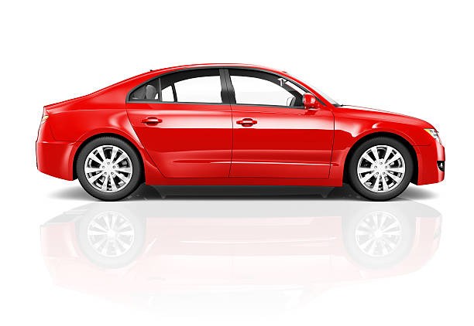
 |  |  | 21746300
 |  |  | 217463000
 |  |  | 434926000

Doughnut Chart Scale
Label | Value
30m | 180
50m | 180
70m | 180
90m | 180
110m | 180
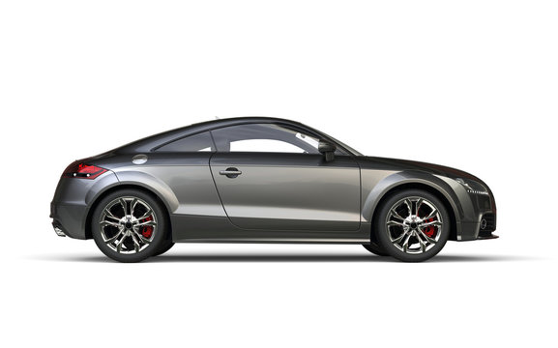
130m | 180
160m | 180
190m | 180
210m | 180
240m | 180
 | 1800
1900

Pie Chart Needle
Label | Value
Actual | 77
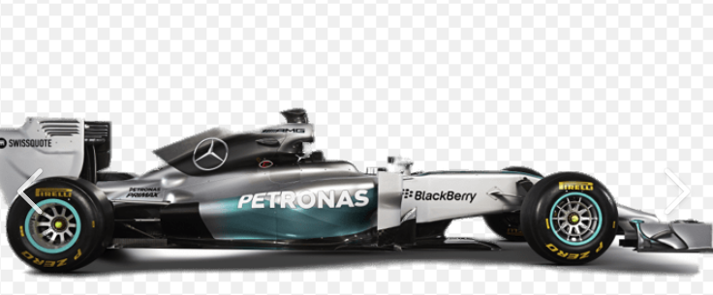
Needle | 1
Balance | 222
Total | 300

Target Guage Chart
 | Value |  | Value |  | Value
Red | 20 | Red | 180 | Label | 0
Orange | 30 | Orange | 180 | Actual | 77
Yellow | 30 | Yellow | 180 | Needle | 1
Green | 20 | Green | 180 | Balance | 222
Omitted | 100 | Omitted | 180 | Total | 300
 |  |  | 180
 |  |  | 180
 |  |  | 180
 |  |  | 180
 |  |  | 180
 |  |  | 1800

Monaco Grand Prix Chart
MONTE CARLO CREDIT VALUE RACE
 | Productivity Support | Car size
Ashley Moyo | 48% | 20%
Mixo Makhubele | 33% | 20%
Nonhle Zondi | 31% | 20%
Rodney Naidu | 29% | 20%
Samantha Govender | 48% | 20%
Samuel Masubelele | 34% | 20%
Taedi Moletsane | 27% | 20%
Thabo Mosweu | 21% | 20%
Thobile Phakhathi | 30% | 20%

Kyalami Grand Prix Chart
KYALAMI CREDIT VALUE RACE
 | Productivity Support | Car size
Busisiwe Mabuza | 21% | 20%
Cindy Visser | 33% | 20%
Matimba Ngobeni | 36% | 20%
Mfundo Mdlalose | 39% | 20%
Mondli Nhlapho | 76% | 20%
Mosima Moshidi | 44% | 20%
Salome Baloyi | 69% | 20%
Shadleigh White | 48% | 20%
Tshepo Moeketsi | 21% | 20%

